Cover
Suspicious Report for Short Time Loss Cutomer

System Flow Diagram
System Flow Diagram for Suspicious Report Short Time Loss Cutomer
Start
Choose today date, from date,
todate
Store dates to corrsponding variables
Is fromdate < todaydate and todate < fromdate ?
Serach short time loss customers
Display data
End
No
Yes

ER Diagram
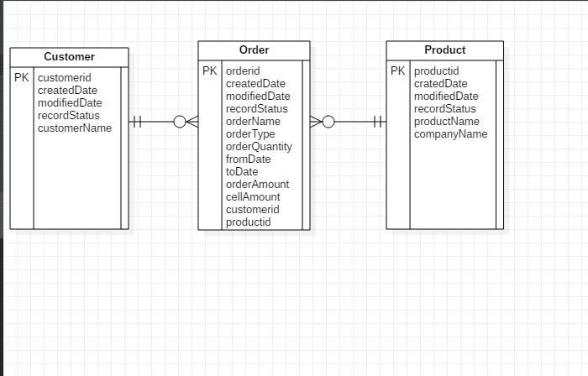
ER Diagram for Suspicious Report Short Time Loss Cutomer

Screen Design


